ANOVA prep Tukey's
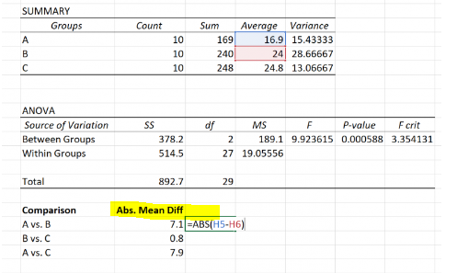
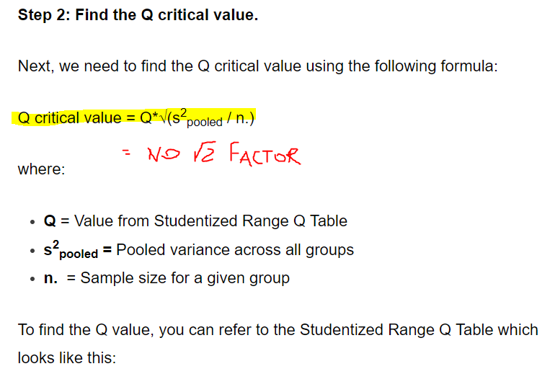
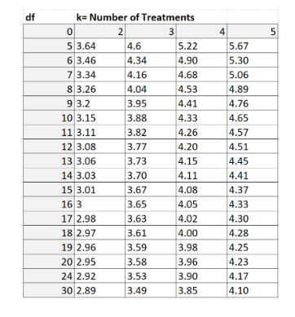
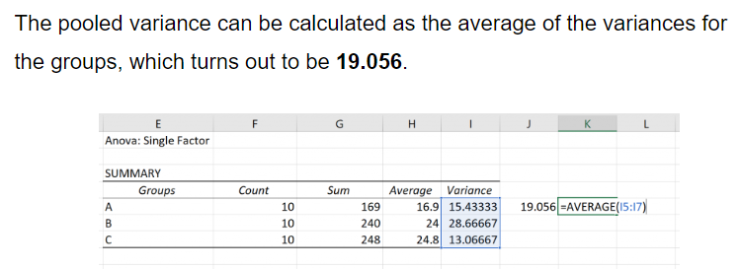
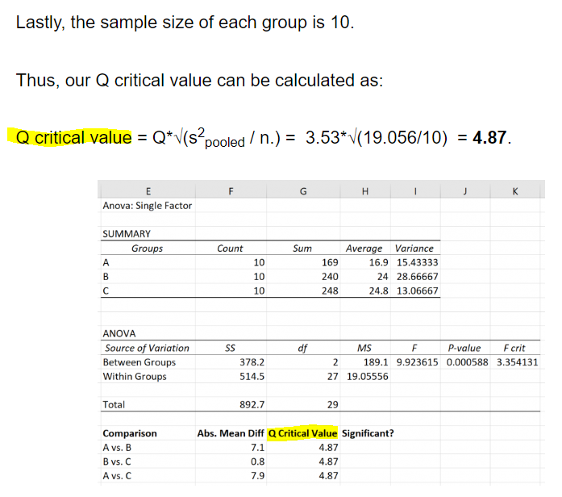
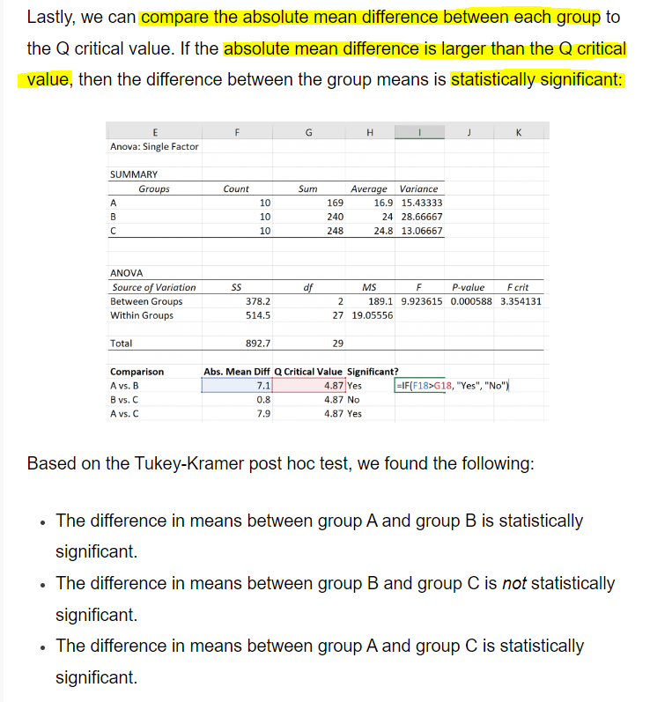
Dose (mg/kg) | 0.0 ug/g | 0.25 ug/g | 0.5 ug/g | 1.0 ug/g | 2.5 ug/g | 5 ug/g
0 | 0.54 | 1.40 | 4.49 | 11.39 | 21.19 | 44.44 | Anova: Single Factor | one independent variable = dose
0 | 0.54 | 1.56 | 4.68 | 13.91 | 26.53 | 41.86
0 | 0.54 | 1.47 | 4.89 | 14.22 | 31.03 | 30.23 | SUMMARY
0 | 0.54 | 1.27 | 4.61 | 13.40 | 23.26 | 34.77 | Groups | Count | Sum | Average | Variance
0.25 | 1.40 |  |  |  |  |  | 0.0 ug/g | 4 | 2.16 | 0.54 | 0
0.25 | 1.56 |  |  |  |  |  | 0.25 ug/g | 4 | 5.7077985691 | 1.4269496423 | 0.014914240913
0.25 | 1.47 |  |  |  |  |  | 0.5 ug/g | 4 | 18.662372974 | 4.6655932436 | 0.02854654414
0.25 | 1.27 |  |  |  |  |  | 1.0 ug/g | 4 | 52.924493189 | 13.231123297 | 1.6164390716
0.5 | 4.49 |  |  |  |  |  | 2.5 ug/g | 4 | 102.00364096 | 25.500910241 | 18.39917552
0.5 | 4.68 |  |  |  |  |  | 5 ug/g | 4 | 151.29902195 | 37.824755487 | 42.32424142
0.5 | 4.89
0.5 | 4.61
1 | 11.39 |  |  |  |  |  | ANOVA
1 | 13.91 |  |  |  |  |  | Source of Variation | SS | df | MS | F | P-value | F crit
1 | 14.22 |  |  |  |  |  | Between Groups | 4507.0235844 | 5 | 901.40471688 | 86.696709617 | 5.9429163425E-12 | 2.772853153
1 | 13.40 |  |  |  |  |  | Within Groups | 187.14995039 | 18 | 10.397219466
2.5 | 21.19
2.5 | 26.53 |  |  |  |  |  | Total | 4694.1735348 | 23
2.5 | 31.03 |  |  |  |  |  |  |  |  |  |  | virtually no chance that these differences are by chance
2.5 | 23.26 |  |  |  |  |  | Which means are different?
5 | 44.44
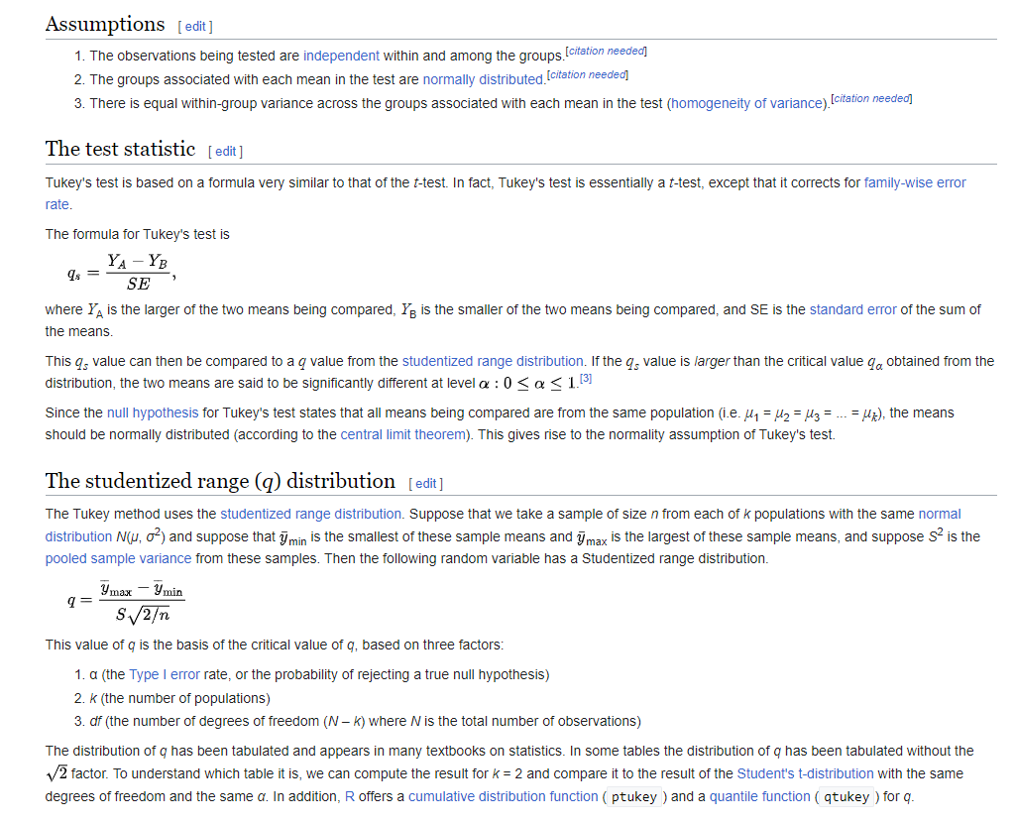
5 | 41.86
5 | 30.23
5 | 34.77

